WOODWORKS BOOKSHELF CO.
woodworks bookshelf co. cost projjections
woodworks bookshelf & co.
 |  |  |  |  |  | scenario
 | cherry | oak
resources | 30 | 30 |  |  |  | The Woodworks Company produces a variety of custom-designed wood furniture, made from either cherry or oak. The company knows that wood prices and labor costs are likely to increase in the future. The table below shows the number of board-feet and labor hours required for a bookshelf, the current costs per board-foot and labor hour, and the anticipated annual increases in these costs. Build a spreadsheet model that enables the company to experiment with the growth rates in wood and labor costs so that a manager can see, both numerically and graphically, how the costs of bookshelves vary in the next few years.
current unit cost | $5.50 | $4.30
total cost | $165.00 | $129.00

labour hours | 16 | 16
labour rate | $18.50 | $18.50
total labour cost | $296.00 | $296.00

total cost: | $461.00 | $425.00

anticipated growth rate | 2.40% | 1.70% | 1.50%
year | cherry | oak | labour | total cherry | total oak
0 | $165.00 | $129.00 | $296.00 | $461.00 | $425.00
1 | $168.96 | $131.19 | $300.44 | $469.40 | $431.63
2 | $173.02 | $133.42 | $304.95 | $477.96 | $438.37
3 | $177.17 | $135.69 | $309.52 | $486.69 | $445.21
4 | $181.42 | $138.00 | $314.16 | $495.58 | $452.16
5 | $185.77 | $140.34 | $318.88 | $504.65 | $459.22

QUALITY SWEATER CO.
QUALITY SWEATER COMPANY

quality sweater co. profit vs response rate
given: | data | formula | profit forecasting table
fixed costs: |  |  | response rate | profit
printing | $20,000.00 |  |  | $-
variable costs: |  |  | 3.50% | $(17,700.00) | SCENARIO:
printing | $0.10 | per catalog | 4.00% | $(13,800.00)
mailing | $0.15 | per catalog | 4.50% | $(9,900.00) | The Quality Sweater Company sells hand-knitted sweaters. The company is planning to print a catalog of its products and undertake a direct mail campaign. The cost of printing the catalog is $20,000 plus $.10 per catalog. The cost of mailing each catalog (including postage, order forms, and buying names from a mail-order database) is $0.15. In addition, the company plans to include direct reply envelopes in its mailing and incurs a $.20 in extra costs for each direct mail envelope used by a respondent. The average size of a customer order is $40, and the company’s variable cost per order (primarily due to labor and material costs) averages about 80% of the order’s value – that is $32. The company plans to mail 100,000 catalogs. It wants to develop a spreadsheet model to answer the following questions: 1) How does a change in the response rate affect profit? 2) For what response rate does the company break even? 3) If the company estimates a response rate of 3%, should it proceed with the mailing? 4) How does the presence of uncertainty affect the usefulness of the model?
reply envelopes | $0.20 | per order | 5.00% | $(6,000.00)
labor & materials | $32.00 | per order | 5.50% | $(2,100.00)
 |  |  | 6.00% | $1,800.00
catalogs offered: | 100000 |  | 6.50% | $5,700.00
response rate: | 5.77% | dummy value | 7.00% | $9,600.00
total orders: | 5769.2307692 | =B13*B12 | 7.50% | $13,500.00
 |  |  | 8.00% | $17,400.00
total cost: | $230,769.23 | =B5+(B7+B8)*B12+(B9+B10)*B14 | 8.50% | $21,300.00
 |  |  | 9.00% | $25,200.00
revenue: |  |  | 9.50% | $29,100.00
average customer order: | $40.00 |  | 10.00% | $33,000.00
total revenue: | $230,769.23 | =B19*B14
total profit: | $- | =B20-B16

B&N BOOKSTORE
B&N BOOKSTORE
 |  |  |  |  | demand |  |  |  |  |  |  |  |  | scenario
 |  |  |  | $7,000.00 | 500 | 1000 | 1500 | 2000 | 2500 | 3000 | 3500 | 4000 | 4500
GIVEN: | data | formulas | order | 500 | $3,000.00 | $3,000.00 | $3,000.00 | $3,000.00 | $3,000.00 | $3,000.00 | $3,000.00 | $3,000.00 | $3,000.00 | B&N Bookstore, with many locations across the United States, places orders for all the latest books and then distributes them to its individual bookstores. B&N needs a model to help it order the appropriate number of any title. For example, B&N plans to order a popular new hardback novel, which it will sell for $30. It can purchase any number of this book from the publisher, but due to quantity discounts, the unit cost for all books it orders depends on the number ordered. Specifically, if the number ordered is less than 1000, the unit cost is $24. After each 1000, the unit costs drops: to $23 for at least 1000 copies; to $22.25 for at least 2000; to $21.75 for at least 3000; and to $21.30 (the lowest possible unit cost) for at least 4000. B&N is very uncertain about the demand for this book – it estimates that demand could be anywhere from 500 to 4500. Also, as with most hardback novels, this one will eventually come out in paperback. Therefore, if B&N has any hardbacks left when the paperback comes out, it will put them on sale for $10, at which price it believes all the leftovers will be sold. How many copies of this hardback novel should B&N order from the publisher?
hardcopy of the novel SP (each): | $30.00 |  |  | 1000 | $(3,000.00) | $7,000.00 | $7,000.00 | $7,000.00 | $7,000.00 | $7,000.00 | $7,000.00 | $7,000.00 | $7,000.00
 |  |  |  | 1500 | $(9,500.00) | $500.00 | $10,500.00 | $10,500.00 | $10,500.00 | $10,500.00 | $10,500.00 | $10,500.00 | $10,500.00
No. of units ordered (> atleast) | cost price of each |  |  | 2000 | $(14,500.00) | $(4,500.00) | $5,500.00 | $15,500.00 | $15,500.00 | $15,500.00 | $15,500.00 | $15,500.00 | $15,500.00
0 | $24.00 |  |  | 2500 | $(20,625.00) | $(10,625.00) | $(625.00) | $9,375.00 | $19,375.00 | $19,375.00 | $19,375.00 | $19,375.00 | $19,375.00
1000 | $23.00 |  |  | 3000 | $(25,250.00) | $(15,250.00) | $(5,250.00) | $4,750.00 | $14,750.00 | $24,750.00 | $24,750.00 | $24,750.00 | $24,750.00
2000 | $22.25 |  |  | 3500 | $(31,125.00) | $(21,125.00) | $(11,125.00) | $(1,125.00) | $8,875.00 | $18,875.00 | $28,875.00 | $28,875.00 | $28,875.00
3000 | $21.75 |  |  | 4000 | $(35,200.00) | $(25,200.00) | $(15,200.00) | $(5,200.00) | $4,800.00 | $14,800.00 | $24,800.00 | $34,800.00 | $34,800.00
4000 | $21.30 |  |  | 4500 | $(40,850.00) | $(30,850.00) | $(20,850.00) | $(10,850.00) | $(850.00) | $9,150.00 | $19,150.00 | $29,150.00 | $39,150.00

B&N BOOKSTORE DEMAND VS ORDERS VS PROFIT
no.of units ordered (hardcopy): | 1000
demand: | 2500 | <--dummy value (500-4500)
hardcopy orders sold : | 1000 | =MIN(B15,B14)
left-over orders: | 0 | =MAX(B14-B16,0)
left-over orders WAY2: | 0 | =IF(B15>B14,0,B14-B15)
left-over order SP (each): | $10.00

COST PRICE on each hardcopy: | $23.00 | =VLOOKUP(B14,A7:B12,2,TRUE)
total cost: | $23,000.00 | =B21*B14
revenue: | $30,000.00 | =B16*B5+B17*B19
total profit: | $7,000.00 | =B23-B22

19TH HOLE GOLF CLUB
THE 19TH HOLE GOLF CLUB
DEMAND VS PROFIT SCATTERPLOT
SALE PRICE VS UNIT COST VS PROFIT
GIVEN DATA: |  |  |  |  |  |  |  |  | MODEL THE BUSINESS |  |  | PROFIT FORECASTING
 |  |  |  |  |  |  |  |  | GIVEN: | DATA | FORMULA | SALE PRICE | PROFIT |  |  | UNIT COST
MONTH | PRICE | DEMAND(00s) |  |  |  |  |  |  |  |  |  |  | $831,338.85 |  | $831,339 | $250 | $300 | $350 | $400 | $450 | $500 | $550 | $600 | $650
1 | $450 | 45 |  |  |  |  |  |  | unit cost: | $250.00 | per set of clubs | $250 | $0 | SALE PRICE | $260 | $831,339 | $831,339 | $831,339 | $831,339 | $831,339 | $831,339 | $831,339 | $831,339 | $831,339
2 | $300 | 103 |  |  |  |  |  |  | sale price: | $1,000.00 | <--dummy (multiple of 10) | $260 | $144,860 |  | $270 | $831,339 | $831,339 | $831,339 | $831,339 | $831,339 | $831,339 | $831,339 | $831,339 | $831,339
3 | $440 | 49 |  |  |  |  |  |  | demand(00s) | 11 | =H22*N7^H23 | $270 | $269,591 |  | $280 | $831,339 | $831,339 | $831,339 | $831,339 | $831,339 | $831,339 | $831,339 | $831,339 | $831,339
4 | $360 | 86 |  |  |  |  |  |  | actual demand: | 1108 | =N8*100 | $280 | $377,277 |  | $290 | $831,339 | $831,339 | $831,339 | $831,339 | $831,339 | $831,339 | $831,339 | $831,339 | $831,339
5 | $290 | 125 |  |  |  |  |  |  |  |  |  | $290 | $470,459 |  | $300 | $831,339 | $831,339 | $831,339 | $831,339 | $831,339 | $831,339 | $831,339 | $831,339 | $831,339
6 | $450 | 52 |  |  |  |  |  |  | total cost: | $277,112.95 | =N6*N9 | $300 | $551,238 |  | $310 | $831,339 | $831,339 | $831,339 | $831,339 | $831,339 | $831,339 | $831,339 | $831,339 | $831,339
7 | $340 | 87 |  |  |  |  |  |  | revenue: | $1,108,451.80 | =N7*N9 | $310 | $621,370 |  | $320 | $831,339 | $831,339 | $831,339 | $831,339 | $831,339 | $831,339 | $831,339 | $831,339 | $831,339
8 | $370 | 68 |  |  |  |  |  |  | profit: | $831,338.85 | =N12-N11 | $320 | $682,321 |  | $330 | $831,339 | $831,339 | $831,339 | $831,339 | $831,339 | $831,339 | $831,339 | $831,339 | $831,339
9 | $500 | 45 |  |  |  |  |  |  |  |  |  | $330 | $735,330 |  | $340 | $831,339 | $831,339 | $831,339 | $831,339 | $831,339 | $831,339 | $831,339 | $831,339 | $831,339
10 | $490 | 44 |  |  |  |  |  |  |  |  |  | $340 | $781,443 |  | $350 | $831,339 | $831,339 | $831,339 | $831,339 | $831,339 | $831,339 | $831,339 | $831,339 | $831,339
11 | $430 | 58 |  |  |  |  |  |  |  |  |  | $350 | $821,552 |  | $360 | $831,339 | $831,339 | $831,339 | $831,339 | $831,339 | $831,339 | $831,339 | $831,339 | $831,339
12 | $390 | 68 |  |  |  |  |  |  |  |  |  | $360 | $856,415 |  | $370 | $831,339 | $831,339 | $831,339 | $831,339 | $831,339 | $831,339 | $831,339 | $831,339 | $831,339
 |  |  |  |  |  |  |  |  |  |  |  | $370 | $886,685 |  | $380 | $831,339 | $831,339 | $831,339 | $831,339 | $831,339 | $831,339 | $831,339 | $831,339 | $831,339
 |  |  |  |  |  |  |  |  |  |  |  | $380 | $912,921 |  | $390 | $831,339 | $831,339 | $831,339 | $831,339 | $831,339 | $831,339 | $831,339 | $831,339 | $831,339
PREDICTION MODELS: |  |  |  |  |  |  |  |  |  |  |  | $390 | $935,607 |  | $400 | $831,339 | $831,339 | $831,339 | $831,339 | $831,339 | $831,339 | $831,339 | $831,339 | $831,339
LINEAR: | Y=MX+B |  | EXPONENTIAL | Y=AE^(BX) |  | POWER | Y = AX^B |  |  |  |  | $400 | $955,163 |  | $410 | $831,339 | $831,339 | $831,339 | $831,339 | $831,339 | $831,339 | $831,339 | $831,339 | $831,339
SLOPE(M) | -0.3546 |  | CONSTANT(A) | 466.51 |  | CONST(A) | 5871064 |  |  |  |  | $410 | $971,953 |  | $420 | $831,339 | $831,339 | $831,339 | $831,339 | $831,339 | $831,339 | $831,339 | $831,339 | $831,339
INTERCEPT(B) | 211.31 |  | CONSTANT(B) | -0.005 |  | CONST(B) | -1.908 |  |  |  |  | $420 | $986,293 |  | $430 | $831,339 | $831,339 | $831,339 | $831,339 | $831,339 | $831,339 | $831,339 | $831,339 | $831,339
 |  |  |  |  |  |  |  |  |  |  |  | $430 | $998,462 |  | $440 | $831,339 | $831,339 | $831,339 | $831,339 | $831,339 | $831,339 | $831,339 | $831,339 | $831,339
 |  |  |  |  |  |  |  |  |  |  |  | $440 | $1,008,702 |  | $450 | $831,339 | $831,339 | $831,339 | $831,339 | $831,339 | $831,339 | $831,339 | $831,339 | $831,339
PREDICTIONS BASED ON MODEL |  |  |  |  | ABSOLUTE PERCENTAGE ERROR |  |  |  |  |  |  | $450 | $1,017,226 |  | $460 | $831,339 | $831,339 | $831,339 | $831,339 | $831,339 | $831,339 | $831,339 | $831,339 | $831,339
SALE PRICE VS PROFIT
PRICE(X) | DEMAND(00s) | LINEAR | EXPONENTIAL | POWER | LINEAR | EXPONENTIAL | POWER |  |  |  |  | $460 | $1,024,222 |  | $470 | $831,339 | $831,339 | $831,339 | $831,339 | $831,339 | $831,339 | $831,339 | $831,339 | $831,339
450 | 45 | 51.74 | 49.17 | 50.9 | 15.0% | 9.3% | 13.0% |  |  |  |  | $470 | $1,029,857 |  | $480 | $831,339 | $831,339 | $831,339 | $831,339 | $831,339 | $831,339 | $831,339 | $831,339 | $831,339
300 | 103 | 104.93 | 104.09 | 110.2 | 1.9% | 1.1% | 7.0% |  |  |  |  | $480 | $1,034,276 |  | $490 | $831,339 | $831,339 | $831,339 | $831,339 | $831,339 | $831,339 | $831,339 | $831,339 | $831,339
440 | 49 | 55.29 | 51.69 | 53.1 | 12.8% | 5.5% | 8.3% |  |  |  |  | $490 | $1,037,609 |  | $500 | $831,339 | $831,339 | $831,339 | $831,339 | $831,339 | $831,339 | $831,339 | $831,339 | $831,339
360 | 86 | 83.65 | 77.11 | 77.9 | 2.7% | 10.3% | 9.5% |  |  |  |  | $500 | $1,039,973 |  | $510 | $831,339 | $831,339 | $831,339 | $831,339 | $831,339 | $831,339 | $831,339 | $831,339 | $831,339
290 | 125 | 108.48 | 109.43 | 117.6 | 13.2% | 12.5% | 5.9% |  |  |  |  | $510 | $1,041,469 |  | $520 | $831,339 | $831,339 | $831,339 | $831,339 | $831,339 | $831,339 | $831,339 | $831,339 | $831,339
450 | 52 | 51.74 | 49.17 | 50.9 | 0.5% | 5.4% | 2.2% |  |  |  |  | $520 | $1,042,188 |  | $530 | $831,339 | $831,339 | $831,339 | $831,339 | $831,339 | $831,339 | $831,339 | $831,339 | $831,339
340 | 87 | 90.75 | 85.22 | 86.8 | 4.3% | 2.0% | 0.2% |  |  |  |  | $530 | $1,042,213 |  | $540 | $831,339 | $831,339 | $831,339 | $831,339 | $831,339 | $831,339 | $831,339 | $831,339 | $831,339
370 | 68 | 80.11 | 73.35 | 73.9 | 17.8% | 7.9% | 8.7% |  |  |  |  | $540 | $1,041,616 |  | $550 | $831,339 | $831,339 | $831,339 | $831,339 | $831,339 | $831,339 | $831,339 | $831,339 | $831,339
500 | 45 | 34.01 | 38.29 | 41.6 | 24.4% | 14.9% | 7.6% |  |  |  |  | $550 | $1,040,462 |  | $560 | $831,339 | $831,339 | $831,339 | $831,339 | $831,339 | $831,339 | $831,339 | $831,339 | $831,339
490 | 44 | 37.56 | 40.26 | 43.2 | 14.6% | 8.5% | 1.7% |  |  |  |  | $560 | $1,038,809 |  | $570 | $831,339 | $831,339 | $831,339 | $831,339 | $831,339 | $831,339 | $831,339 | $831,339 | $831,339
430 | 58 | 58.83 | 54.34 | 55.5 | 1.4% | 6.3% | 4.4% |  |  |  |  | $570 | $1,036,711 |  | $580 | $831,339 | $831,339 | $831,339 | $831,339 | $831,339 | $831,339 | $831,339 | $831,339 | $831,339
390 | 68 | 73.02 | 66.37 | 66.8 | 7.4% | 2.4% | 1.7% |  |  |  |  | $580 | $1,034,213 |  | $590 | $831,339 | $831,339 | $831,339 | $831,339 | $831,339 | $831,339 | $831,339 | $831,339 | $831,339
 |  |  |  |  |  |  |  |  |  |  |  | $590 | $1,031,360 |  | $600 | $831,339 | $831,339 | $831,339 | $831,339 | $831,339 | $831,339 | $831,339 | $831,339 | $831,339
 |  |  |  | AVERAGE: | 9.7% | 7.2% | 5.9% | <--using the model with the smallest error % |  |  |  | $600 | $1,028,187 |  | $610 | $831,339 | $831,339 | $831,339 | $831,339 | $831,339 | $831,339 | $831,339 | $831,339 | $831,339
 |  |  |  |  |  |  |  |  |  |  |  | $610 | $1,024,731 |  | $620 | $831,339 | $831,339 | $831,339 | $831,339 | $831,339 | $831,339 | $831,339 | $831,339 | $831,339
SALE PRICE VS PROFIT
 |  |  |  |  |  |  |  |  |  |  |  | $620 | $1,021,022 |  | $630 | $831,339 | $831,339 | $831,339 | $831,339 | $831,339 | $831,339 | $831,339 | $831,339 | $831,339
 |  |  |  |  |  |  |  |  |  |  |  | $630 | $1,017,088 |  | $640 | $831,339 | $831,339 | $831,339 | $831,339 | $831,339 | $831,339 | $831,339 | $831,339 | $831,339
 | SCENARIO |  |  |  |  |  |  |  |  |  |  | $640 | $1,012,955 |  | $650 | $831,339 | $831,339 | $831,339 | $831,339 | $831,339 | $831,339 | $831,339 | $831,339 | $831,339
 |  |  |  |  |  |  |  |  |  |  |  | $650 | $1,008,644 |  | $660 | $831,339 | $831,339 | $831,339 | $831,339 | $831,339 | $831,339 | $831,339 | $831,339 | $831,339
 | The 19th Hole sells golf clubs at its golf outlet stores throughout the US. The company knows that the demand for its club varies considerably with price. In the last year, the demand at each price level was recorded in the table below.The company wants to estimate the relationship between demand and price and then use this estimated relationship to answer the following questions: Assuming the unit cost of producing a set of clubs is $250, and the price must be a multiple of $10, what price should the company charge to maximize its profit? How does the optimal price depend on the unit cost of producing a set of clubs? Is the model an accurate representation of reality? |  |  |  |  |  |  |  |  |  |  | $660 | $1,004,178 |  | $670 | $831,339 | $831,339 | $831,339 | $831,339 | $831,339 | $831,339 | $831,339 | $831,339 | $831,339
 |  |  |  |  |  |  |  |  |  |  |  | $670 | $999,575 |  | $680 | $831,339 | $831,339 | $831,339 | $831,339 | $831,339 | $831,339 | $831,339 | $831,339 | $831,339
 |  |  |  |  |  |  |  |  |  |  |  | $680 | $994,852 |  | $690 | $831,339 | $831,339 | $831,339 | $831,339 | $831,339 | $831,339 | $831,339 | $831,339 | $831,339
 |  |  |  |  |  |  |  |  |  |  |  | $690 | $990,023 |  | $700 | $831,339 | $831,339 | $831,339 | $831,339 | $831,339 | $831,339 | $831,339 | $831,339 | $831,339
 |  |  |  |  |  |  |  |  |  |  |  | $700 | $985,104 |  | $710 | $831,339 | $831,339 | $831,339 | $831,339 | $831,339 | $831,339 | $831,339 | $831,339 | $831,339
 |  |  |  |  |  |  |  |  |  |  |  | $710 | $980,108 |  | $720 | $831,339 | $831,339 | $831,339 | $831,339 | $831,339 | $831,339 | $831,339 | $831,339 | $831,339
 |  |  |  |  |  |  |  |  |  |  |  | $720 | $975,044 |  | $730 | $831,339 | $831,339 | $831,339 | $831,339 | $831,339 | $831,339 | $831,339 | $831,339 | $831,339
 |  |  |  |  |  |  |  |  |  |  |  | $730 | $969,925 |  | $740 | $831,339 | $831,339 | $831,339 | $831,339 | $831,339 | $831,339 | $831,339 | $831,339 | $831,339
 |  |  |  |  |  |  |  |  |  |  |  | $740 | $964,759 |  | $750 | $831,339 | $831,339 | $831,339 | $831,339 | $831,339 | $831,339 | $831,339 | $831,339 | $831,339
 |  |  |  |  |  |  |  |  |  |  |  | $750 | $959,555 |  | $760 | $831,339 | $831,339 | $831,339 | $831,339 | $831,339 | $831,339 | $831,339 | $831,339 | $831,339
 |  |  |  |  |  |  |  |  |  |  |  | $760 | $954,321 |  | $770 | $831,339 | $831,339 | $831,339 | $831,339 | $831,339 | $831,339 | $831,339 | $831,339 | $831,339
 |  |  |  |  |  |  |  |  |  |  |  | $770 | $949,065 |  | $780 | $831,339 | $831,339 | $831,339 | $831,339 | $831,339 | $831,339 | $831,339 | $831,339 | $831,339
 |  |  |  |  |  |  |  |  |  |  |  | $780 | $943,792 |  | $790 | $831,339 | $831,339 | $831,339 | $831,339 | $831,339 | $831,339 | $831,339 | $831,339 | $831,339
 |  |  |  |  |  |  |  |  |  |  |  | $790 | $938,508 |  | $800 | $831,339 | $831,339 | $831,339 | $831,339 | $831,339 | $831,339 | $831,339 | $831,339 | $831,339
 |  |  |  |  |  |  |  |  |  |  |  | $800 | $933,220
 |  |  |  |  |  |  |  |  |  |  |  | $900 | $880,918
 |  |  |  |  |  |  |  |  |  |  |  | $1,000 | $831,339
 |  |  |  |  |  |  |  |  |  |  |  | $1,500 | $639,212
 | M

PC TECH CO.
PC TECH COMPANY
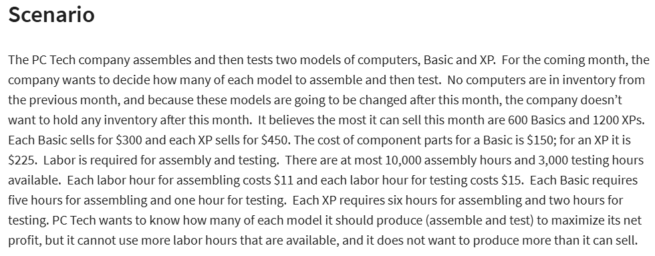
GIVEN

 | basics(x) | XPs(y) |  |  |  | LP MODEL SOLUTION
pieces to be sold | 560 | 1200 | <--variables |  |  | X= | 560
SP of each | $300 | $450 |  |  |  | Y= | 1200
CP of its component parts | $150 | $225 |  |  |  | MAX PROFIT= | $199,600
assembly hours | 5 | 6
testing hours | 1 | 2

 | assemble | test
cost of labor per hour | $11 | $15

Total cost of component parts | $354,000 |  | =SUMPRODUCT(B8:C8,B6:C6)
total cost of testing: | $44,400 |  | =SUMPRODUCT(B6:C6,B10:C10)*C13
total cost of assembling: | $110,000 |  | =SUMPRODUCT(B6:C6,B9:C9)*B13
total cost added: | $508,400
total revenue | $708,000 |  | =SUMPRODUCT(B7:C7,B6:C6)

objective(MAX):
NET PROFIT: | $199,600

constraints | x | y | lhs | sign | rhs
no.of basics | 1 |  | 560 | <= | 600
no.of XPs |  | 1 | 1200 | <= | 1200
assembly hours | 5 | 6 | 10000 | <= | 10000
testing hours | 1 | 2 | 2960 | <= | 3000

PC TECH CO. STOCKS
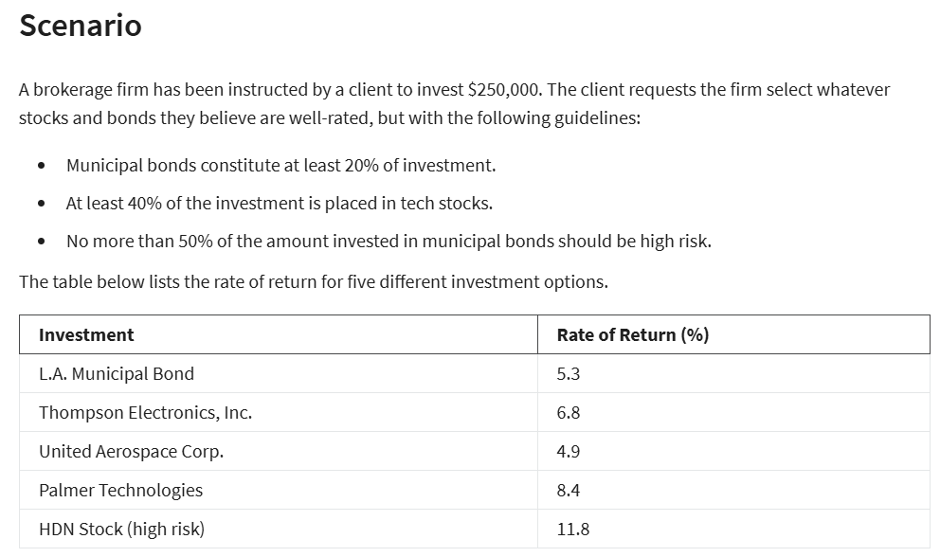
PC TECH CO.

GIVEN:

investment | $250,000
municipal bonds | 20%
tech stocks | 40%
high risk municipal bonds | 50%

investment | ROR | TYPE OF STOCK | VAR |  |  |  | X5<=50%X1 --> X5-50%X1<=0
L.A. MUNICIPAL BIND | 5.30% | MUNI | X1
THOMPSON ELECTRONICS INC. | 6.80% | TECH | X2
UNITED AEROSPACE COPR. | 4.90% | TECH | X3
PALMER TECHNOLOGIES | 8.40% | TECH | X4
HDN STOCK(HIGH RISK) | 11.80% | HIGH RISK | X5

VARIABLES: | X1 | X2 | X3 | X4 | X5
amount invested | $50,000.00 | $0.00 | $0.00 | $175,000.00 | $25,000.00
ROR | 5.30% | 6.80% | 4.90% | 8.40% | 11.80%

CONSTRAINTS | X1 | X2 | X3 | X4 | X5 | LHS | SIGN | RHS
BUDGET | 1 | 1 | 1 | 1 | 1 | 250000 | <= | $250,000
MUNI BONDS | 1 |  |  |  |  | 50000 | >= | $50,000
TECH STOCKS |  | 1 | 1 | 1 |  | 175000 | >= | $100,000
NO MORE THAN 50% MUNI BONDS AT HIGH RISK | -50% |  |  |  | 1 | 0 | <= | 0

OBJECTIVE: RATE OF RETURN (MAX): | $20,300.00

LP SIMPLEX MODEL SOLUTION
X1 | $50,000
X2 | $0
X3 | $0
X4 | $175,000
X5 | $25,000
ROR($) | $20,300

PC TECH CO. TRANSPORTATION
PC TECH CO.

GIVEN: |  |  |  |  | VARIABLES | AB | AC | AE | BB | BC | BE | CB | CC | CE | DB | DC | DE | EB | EC | EE
 |  |  |  |  | NO.OF STUDENTS | 400 | 0 | 300 | 500 | 0 | 0 | 0 | 100 | 0 | 0 | 800 | 0 | 0 | 0 | 400
 | KYOKO HS | DEVON HS | MANNY HS |  | MILES | 5 | 8 | 6 | 0 | 4 | 12 | 4 | 0 | 7 | 7 | 2 | 5 | 12 | 7 | 0
CAPACITY | 900 | 900 | 900
LOCATED | B | C | E

WALKING DISTANCE(miles) | 1.5 |  |  |  | CONSTRAINTS | AB | AC | AE | BB | BC | BE | CB | CC | CE | DB | DC | DE | EB | EC | EE | LHS | SIGN | RHS
 |  |  |  |  | 900 IN SCHOOL B | 1 |  |  | 1 |  |  | 1 |  |  | 1 |  |  | 1 |  |  | 900 | <= | 900
sector | dist to kyoko(B) | dist to devon( C) | dist to manny( E) | no.of students | 900 IN SCHOOL C |  | 1 |  |  | 1 |  |  | 1 |  |  | 1 |  |  | 1 |  | 900 | <= | 900
A | 5 | 8 | 6 | 700 | 900 IN SCHOOL E |  |  | 1 |  |  | 1 |  |  | 1 |  |  | 1 |  |  | 1 | 700 | <= | 900
B | 0 | 4 | 12 | 500 | 700 IN A | 1 | 1 | 1 |  |  |  |  |  |  |  |  |  |  |  |  | 700 | = | 700
C | 4 | 0 | 7 | 100 | 500 IN B |  |  |  | 1 | 1 | 1 |  |  |  |  |  |  |  |  |  | 500 | = | 500
D | 7 | 2 | 5 | 800 | 100 IN C |  |  |  |  |  |  | 1 | 1 | 1 |  |  |  |  |  |  | 100 | = | 100
E | 12 | 7 | 0 | 400 | 800 IN D |  |  |  |  |  |  |  |  |  | 1 | 1 | 1 |  |  |  | 800 | = | 800
 |  |  | total students | 2500 | 400 IN E |  |  |  |  |  |  |  |  |  |  |  |  | 1 | 1 | 1 | 400 | = | 400
OBJECTIVE: | MINIMIZE TOTAL DISTANCE TRAVELLED BY THE BUS
distance(MIN): | 5400
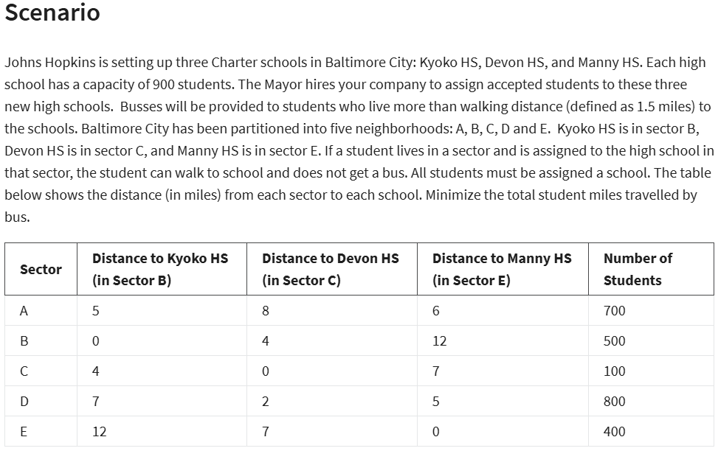
 |  |  |  |  |  |  | LP SIMPLEX MODEL SOLUTION | AB | AC | AE | BB | BC | BE | CB | CC | CE | DB | DC | DE | EB | EC | EE
 |  |  |  |  |  |  | NO,OF STUDENTS | 400 | 0 | 300 | 500 | 0 | 0 | 0 | 100 | 0 | 0 | 800 | 0 | 0 | 0 | 400

 |  |  |  |  |  |  | MIN MILES | 5400

ASSIGNMENT PROBLEM
DATA TABLE |  | OFFICES
 |  | OMAHA | MIAMI | DALLAS | NY
NEW HIRES | JONES | $800 | $1,100 | $1,200 | $1,000
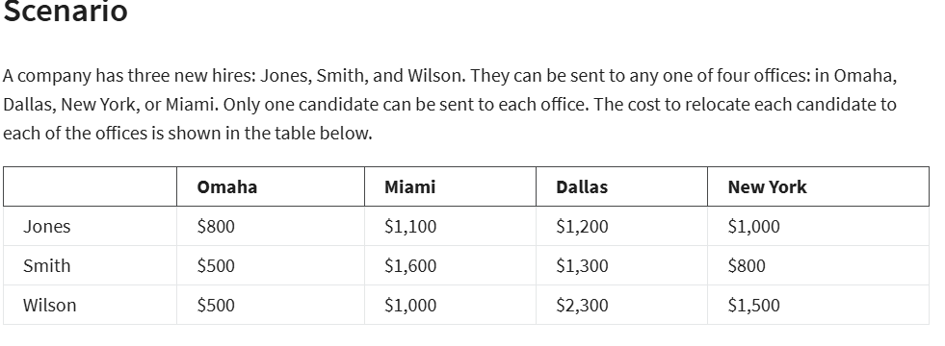
 | SMITH | $500 | $1,600 | $1,300 | $800
 | WILSON | $500 | $1,000 | $2,300 | $1,500

ASSIGNMENT TABLE: |  | OFFICES
 |  | OMAHA | MIAMI | DALLAS | NY | TOTAL | SIGN | EACH CANDIDATE PER OFFICE
NEW HIRES | JONES | 0 | 1 | 0 | 0 | 1 | = | 1
 | SMITH | 0 | 0 | 0 | 1 | 1 | = | 1
 | WILSON | 1 | 0 | 0 | 0 | 1 | = | 1
 | TOTAL | 1 | 1 | 0 | 1
 |  | <= | <= | <= | <=
 |  | 1 | 1 | 1 | 1

OBJECTIVE(MIN):
TOTAL COST: | 2400

SOLUTION:
TOTAL COST: | 2400
AND ASSIGNMENT IS: | ASSIGNMENT TABLE: |  | OFFICES
 |  |  | OMAHA | MIAMI | DALLAS | NY
 | NEW HIRES | JONES | 0 | 1 | 0 | 0
 |  | SMITH | 0 | 0 | 0 | 1
 |  | WILSON | 1 | 0 | 0 | 0

MLB UMPIRE ASSGN
MLB UMPIRE ASSIGNMENT
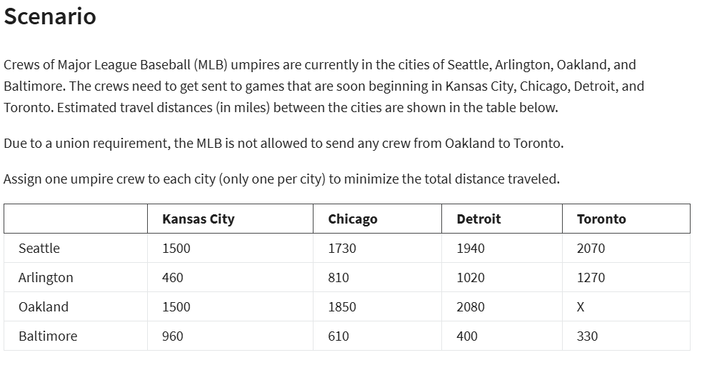

DATA TABLE:- |  |  | CITIES
 |  |  | KANSAS | CHICAGO | DETROIT | TORONTO
 | CREWS OF MLB UMPIRES | SEATTLE | 1500 | 1730 | 1940 | 2070
 |  | AIRLINGTON | 460 | 810 | 1020 | 1270
 |  | OAKLAND | 1500 | 1850 | 2080 | X
 |  | BALTIMORE | 960 | 610 | 400 | 330

ASSIGNMENT:- |  |  | CITIES
 |  |  | KANSAS | CHICAGO | DETROIT | TORONTO | TOTAL | SIGN
 | CREWS OF MLB UMPIRES | SEATTLE | 0 | 1 | 0 | 0 | 1 | = | 1
 |  | AIRLINGTON | 1 | 0 | 0 | 0 | 1 | = | 1
 |  | OAKLAND | 0 | 0 | 0 | 1 | 1 | = | 1
 |  | BALTIMORE | 0 | 0 | 1 | 0 | 1 | = | 1
 |  | TOTAL | 1 | 1 | 1 | 1
 |  | SIGN | <= | <= | <= | <=
 |  | ONLY 1 PER CITY | 1 | 1 | 1 | 1

OBJECTIVE: | MIN TOTAL MILES | 2590

LP MMODEL SOLUTION:
TOTAL MIN MILES: | 2590
ASSIGNMENT TABLE: |  |  | CITIES
 |  |  | KANSAS | CHICAGO | DETROIT | TORONTO
 | CREWS OF MLB UMPIRES | SEATTLE | 0 | 1 | 0 | 0
 |  | AIRLINGTON | 1 | 0 | 0 | 0
 |  | OAKLAND | 0 | 0 | 0 | 1
 |  | BALTIMORE | 0 | 0 | 1 | 0

BINARY INVESTMENT DECISION
BINARY INVESTMENT DECISION
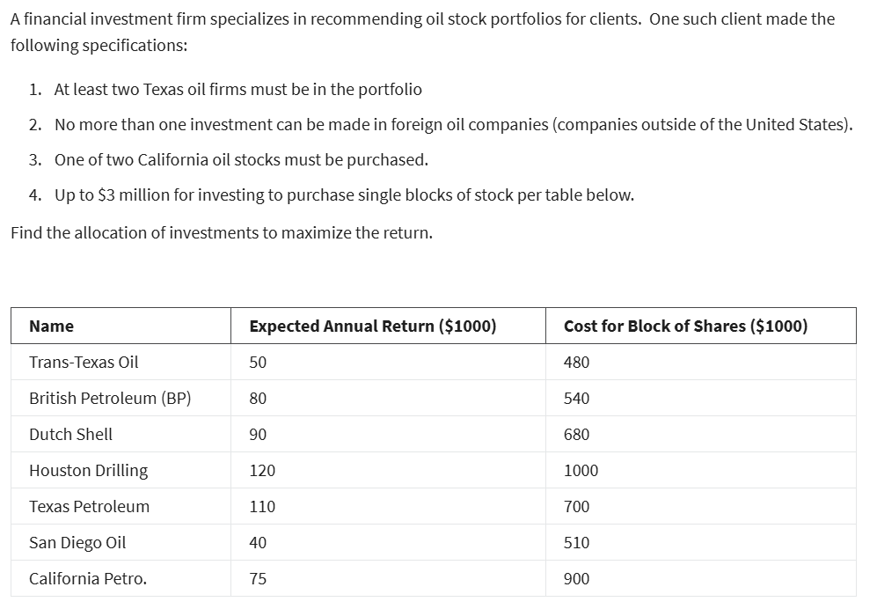

NAME | TRANS-TEXAS OIL | BP | DUTCH SHELL | HOUSTON DRILLING | TEXAS PETROLEUM | SAN DIEGO OIL | CALIFORNIA PETRO |  |  |  | CALIFORNIA PETRO.
EXPECTED ANNUAL RETURN($1000) | 50 | 80 | 90 | 120 | 110 | 40 | 75 |  |  |  | 75
COST OF BLOCK OF SHARES($1000) | 480 | 540 | 680 | 1000 | 700 | 510 | 900 |  |  |  | 900
VAR | X1 | X2 | X3 | X4 | X5 | X6 | X7 |  |  |  | X7
(0,1) | 0 | 0 | 1 | 1 | 1 | 1 | 0
EXPECTED ANNUAL RETURN($1000) | $0 | $0 | $90,000 | $120,000 | $110,000 | $40,000 | $0 | $360,000
COST OF BLOCK OF SHARES($1000) | $0 | $0 | $680,000 | $1,000,000 | $700,000 | $510,000 | $0 | $2,890,000

CONSTRAINTS | X1 | X2 | X3 | X4 | X5 | X6 | X7 | LHS | SIGN | RHS
2 TEXAS OIL ATLEAST | 1 |  |  | 1 | 1 |  |  | 2 | >= | 2
FOREIGN OIL NO MORE THAN 1 |  | 1 | 1 |  |  |  |  | 1 | <= | 1
ONE OF 2 CA |  |  |  |  |  | 1 | 1 | 1 | = | 1
BUDGET | 480000 | 540000 | 680000 | 1000000 | 700000 | 510000 | 900000 | 2890000 | <= | 3000000

LP SIMPLEX INTEGER MODEL SOLUTION
X1 | 0
X2 | 0
X3 | 1
X4 | 1
X5 | 1
X6 | 1
X7 | 0
MAX RETURN | $360,000.00

NLP-MIN VARIANCE
NON LINEAR MINIMUM VARIANCE PROBLEM
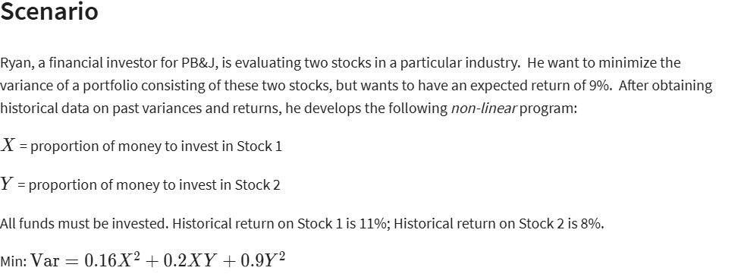

LINEAR VARS | X | Y
 | 93% | 7%

NON LINEAR VARS | X2 | XY | Y2
COEFF | 0.16 | 0.2 | 0.9
FORMULA | 0.86533261222 | 0.064899945917 | 0.0048674959438
TERM | 0.13845321796 | 0.012979989183 | 0.0043807463494 | 0.15581395349 | <--VARIANCE(MIN)

CONSTRAINTS | X | Y | LHS | SIGN | RHS
BUDGET | 1 | 1 | 100% | = | 100%
RETURN | 11% | 8% | 11% | >= | 9%

NON-LINEAR MODEL SOLUTION
X | 93%
Y | 7%
MIN VARIANCE: | 0.155814

